Workout
Accounting and Financial Analysis

Workout
 | Using the following balance sheet identify the financial assets, financial liabilities and equity in the business.

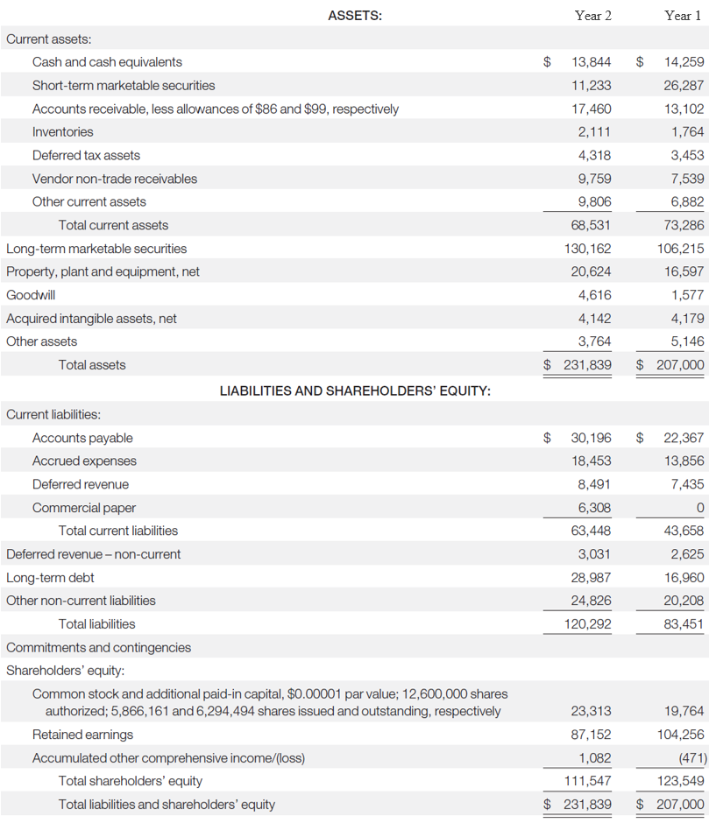

 | Cash and cash equivalents | Financial assets
 | Short-term marketable securities | Financial assets
 | Long-term marketable securities | Financial assets
 | Commercial paper | Financial liabilities
 | Long-term debt | Financial liabilities
 | Common stock and additional paid-in capital, | Equity
 | Retained earnings | Equity
 | Other comprehensive income/(loss) | Equity

End

